Continuous 7 var, minbucket=5
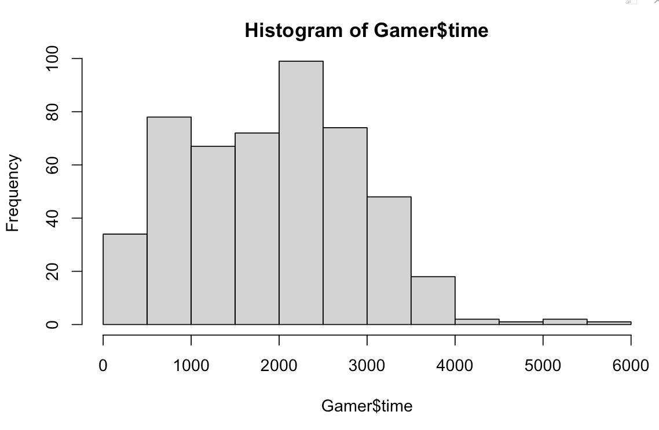
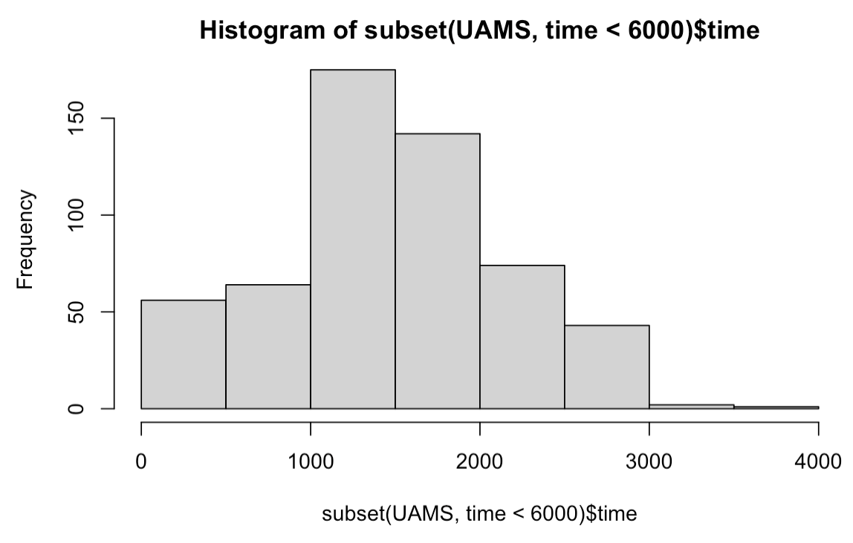
forest:
 | train\test | MMRF | IFM | UAMS | GAMER
 | MMRF | 0.894 | 0.633 | 0.629 | 0.662
 | IFM | 0.642 | 0.927 | 0.619 | 0.682
 | UAMS | 0.613 | 0.542 | 0.921 | 0.64
 | GAMER | 0.669 | 0.63 | 0.668 | 0.902
 |  |  |  |  |  | 0.63575

coxph:
 | train\test | MMRF | IFM | UAMS | GAMER
 | MMRF | 0.673 | 0.617 | 0.654 | 0.715
 | IFM | 0.627 | 0.678 | 0.666 | 0.724
 | UAMS | 0.667 | 0.655 | 0.677 | 0.732
 | GAMER | 0.647 | 0.672 | 0.67 | 0.735
 |  |  |  |  |  | 0.6705
 |  |  |  |  |  | 0.095824011931
rpart ensemble: |  | 0.654 | 0.588 | 0.64 | 0.693 |  | STreeD ensemble:
 | train\test | MMRF | IFM | UAMS | GAMER |  |  | train\test | MMRF | IFM | UAMS | GAMER
 | MMRF | 0.765 | 0.569 | 0.571 | 0.661 |  |  | MMRF | 0.698 | 0.608 | 0.639 | 0.717
 | IFM | 0.584 | 0.823 | 0.593 | 0.643 |  |  | IFM | 0.603 | 0.697 | 0.56 | 0.623
 | UAMS | 0.573 | 0.552 | 0.76 | 0.583 |  |  | UAMS | 0.595 | 0.59 | 0.717 | 0.651
 | GAMER | 0.664 | 0.629 | 0.653 | 0.752 |  |  | GAMER | 0.65 | 0.646 | 0.661 | 0.666 |  | 0.06251553567
 |  |  |  |  |  | 0.60625 |  |  |  |  |  |  | 0.62858333333

rpart initial |  |  |  |  |  |  | STreeD initial
 | train\test | MMRF | IFM | UAMS | GAMER |  |  | train\test | MMRF | IFM | UAMS | GAMER
 | MMRF | 0.765 | 0.569 | 0.582 | 0.662 |  |  | MMRF | 0.684 | 0.598 | 0.629 | 0.707
 | IFM | 0.583 | 0.822 | 0.583 | 0.633 |  |  | IFM | 0.603 | 0.697 | 0.56 | 0.623
 | UAMS | 0.565 | 0.549 | 0.752 | 0.581 |  |  | UAMS | 0.599 | 0.593 | 0.706 | 0.652
 | GAMER | 0.66 | 0.616 | 0.65 | 0.743 |  |  | GAMER | 0.65 | 0.646 | 0.657 | 0.648
 |  |  |  |  |  | 0.60275 |  |  |  |  |  |  | 0.62641666667

rpart leaf: |  |  |  |  |  |  | STreeD leaf: max_depth=3 in default so max leaf is 8
 | train\test | MMRF | IFM | UAMS | GAMER |  |  | train\test | MMRF | IFM | UAMS | GAMER
 | MMRF | 15 | 15 | 15 | 15 |  |  | MMRF | 8 | 8
 | IFM | 20 | 20 | 20 | 20 |  |  | IFM | 8 |  |  | 8
 | UAMS | 14 | 14 | 14 | 14 |  |  | UAMS | 8
 | GAMER | 8 | 8 | 8 | 8 |  |  | GAMER | 8

model trained on MMRF does better on GAMER
model trained on GAMER tend to be worse compared to trees: fewer leaves?

